Accessibility
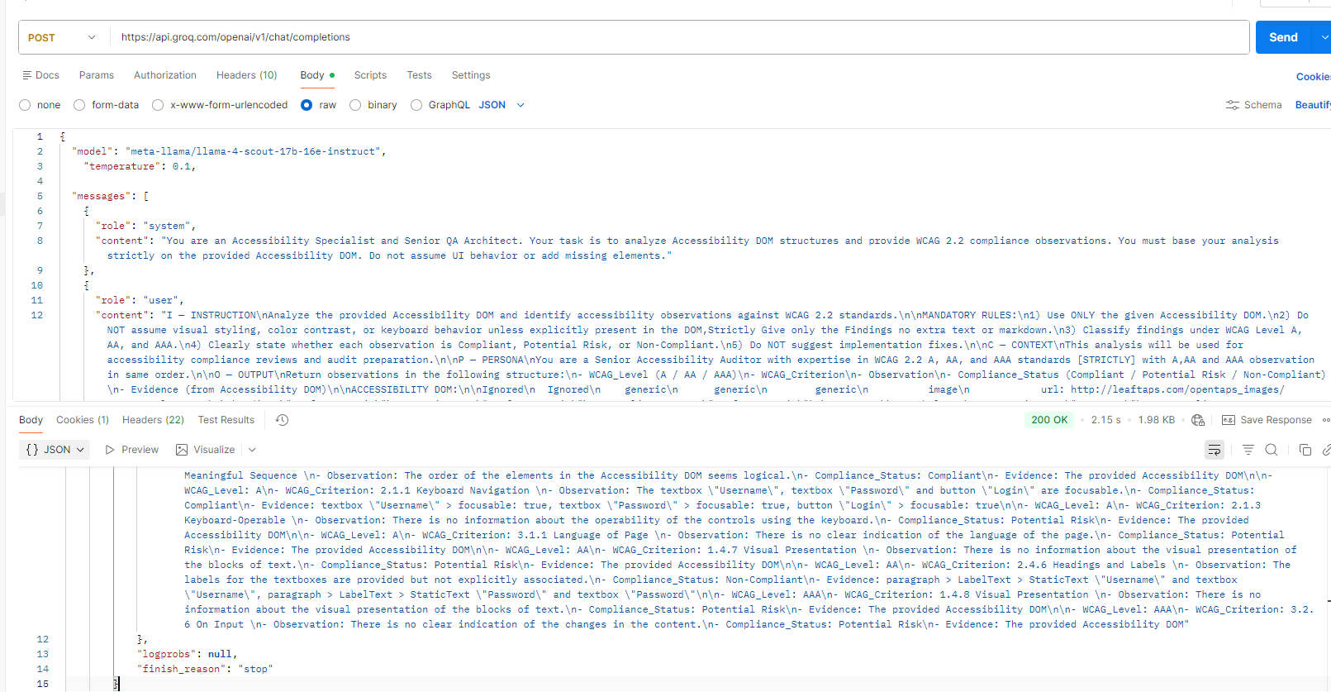
WCAG Level: A

WCAG Criterion: 1.1.1 – Non-text Content
Observation: The image located at http://leaftaps.com/opentaps_images/opentaps_logo.png does not include a text alternative.
Compliance Status: Non-Compliant
Evidence: Image URL: http://leaftaps.com/opentaps_images/opentaps_logo.png

WCAG Level: A

WCAG Criterion: 1.3.1 – Info and Relationships
Observation: The static text labels “Username” and “Password” are not programmatically associated with their corresponding textboxes.
Compliance Status: Non-Compliant
Evidence:

paragraph > LabelText > StaticText "Username" and textbox "Username"

paragraph > LabelText > StaticText "Password" and textbox "Password"`

WCAG Level: A

WCAG Criterion: 1.3.2 – Meaningful Sequence
Observation: The order of elements in the Accessibility DOM appears logical and meaningful.
Compliance Status: Compliant
Evidence: The provided Accessibility DOM

WCAG Level: A

WCAG Criterion: 2.1.1 – Keyboard Navigation
Observation: The textboxes “Username” and “Password,” as well as the “Login” button, are focusable.
Compliance Status: Compliant
Evidence:

textbox "Username" → focusable: true

textbox "Password" → focusable: true

button "Login" → focusable: true

WCAG Level: A

WCAG Criterion: 2.1.3 – Keyboard Operable
Observation: There is insufficient information to determine whether all controls are fully operable using a keyboard.
Compliance Status: Potential Risk
Evidence: The provided Accessibility DOM

WCAG Level: A

WCAG Criterion: 3.1.1 – Language of Page
Observation: There is no clear indication of the page’s default language.
Compliance Status: Potential Risk
Evidence: The provided Accessibility DOM

WCAG Level: AA

WCAG Criterion: 1.4.7 – Visual Presentation
Observation: There is no available information regarding the visual presentation of text blocks.
Compliance Status: Potential Risk
Evidence: The provided Accessibility DOM

WCAG Level: AA

WCAG Criterion: 2.4.6 – Headings and Labels
Observation: The labels for the textboxes are visually present but are not explicitly programmatically associated.
Compliance Status: Non-Compliant
Evidence:

paragraph > LabelText > StaticText "Username" and textbox "Username"

paragraph > LabelText > StaticText "Password" and textbox "Password"`

WCAG Level: AAA

WCAG Criterion: 1.4.8 – Visual Presentation
Observation: There is no available information regarding the visual presentation of text blocks.
Compliance Status: Potential Risk
Evidence: The provided Accessibility DOM

WCAG Level: AAA

WCAG Criterion: 3.2.6 – On Input
Observation: There is no clear indication of whether user input triggers changes in content or context.
Compliance Status: Potential Risk
Evidence: The provided Accessibility DOM

stop
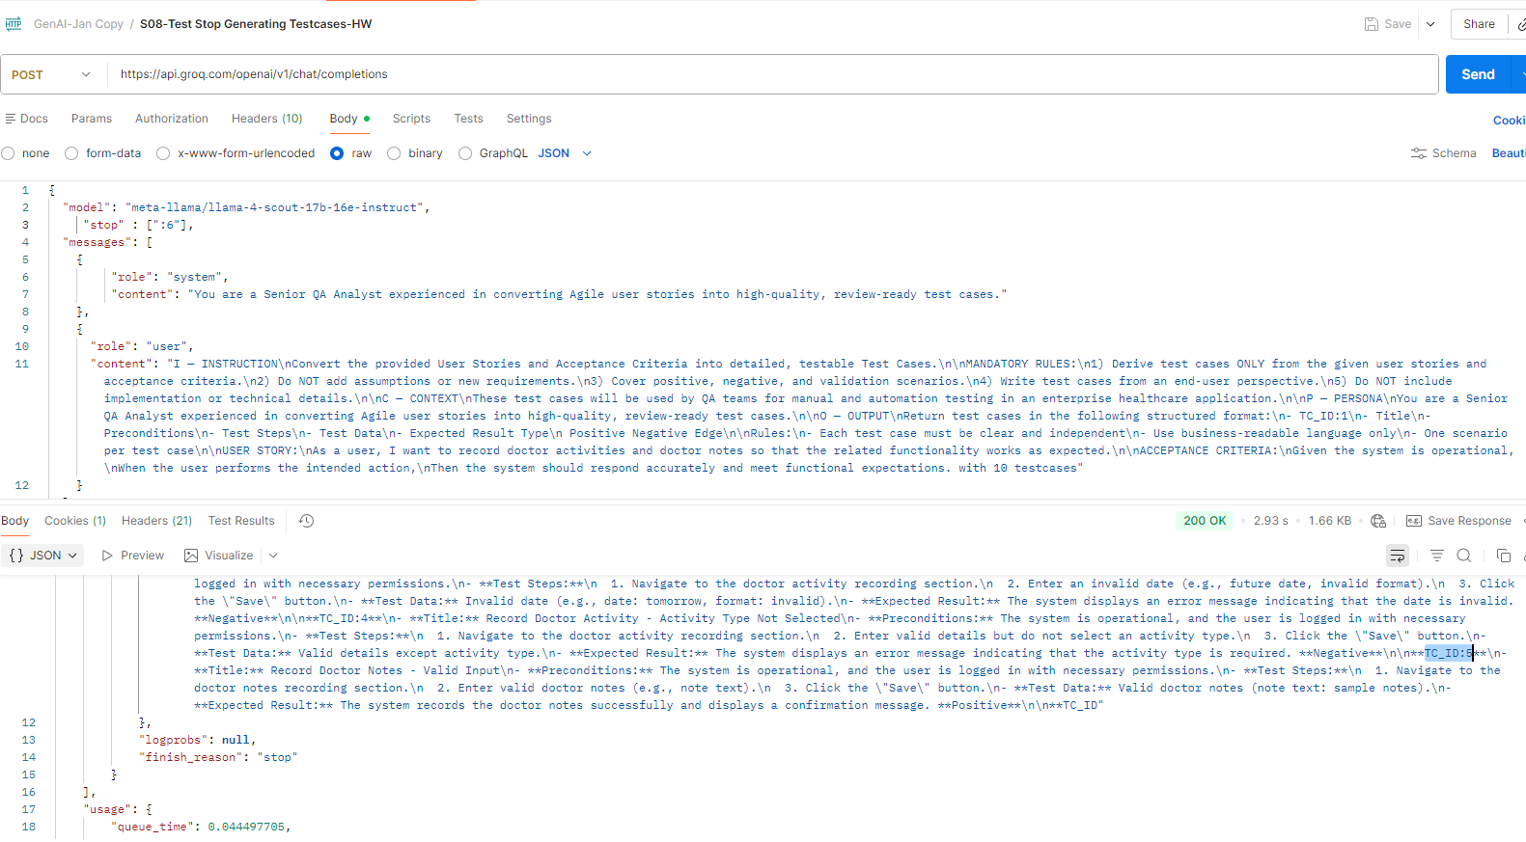
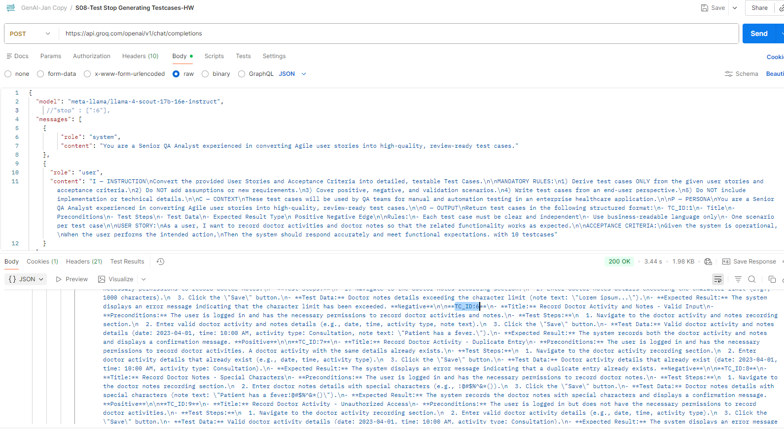
With stop 6: only 5 testcases are returned in ouput
 | getting finish reason as stop

 |  | Without stop we are getting 10 testcases in ouput

top_p
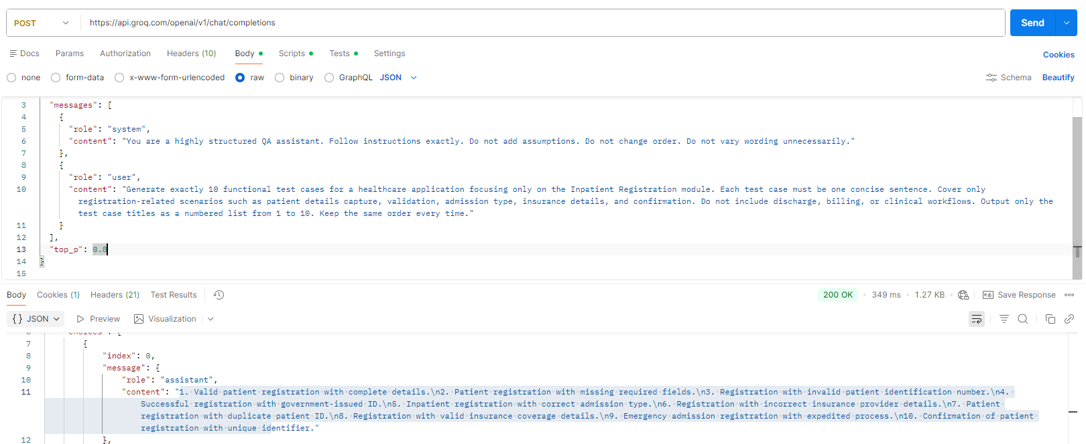
Higher the top_p higher the creativity and testcase generated is more complex
For diff top_p values creativity and testcase details is varying

DOM structure
Java code for dom structure. Tried for add shortcut button from google page

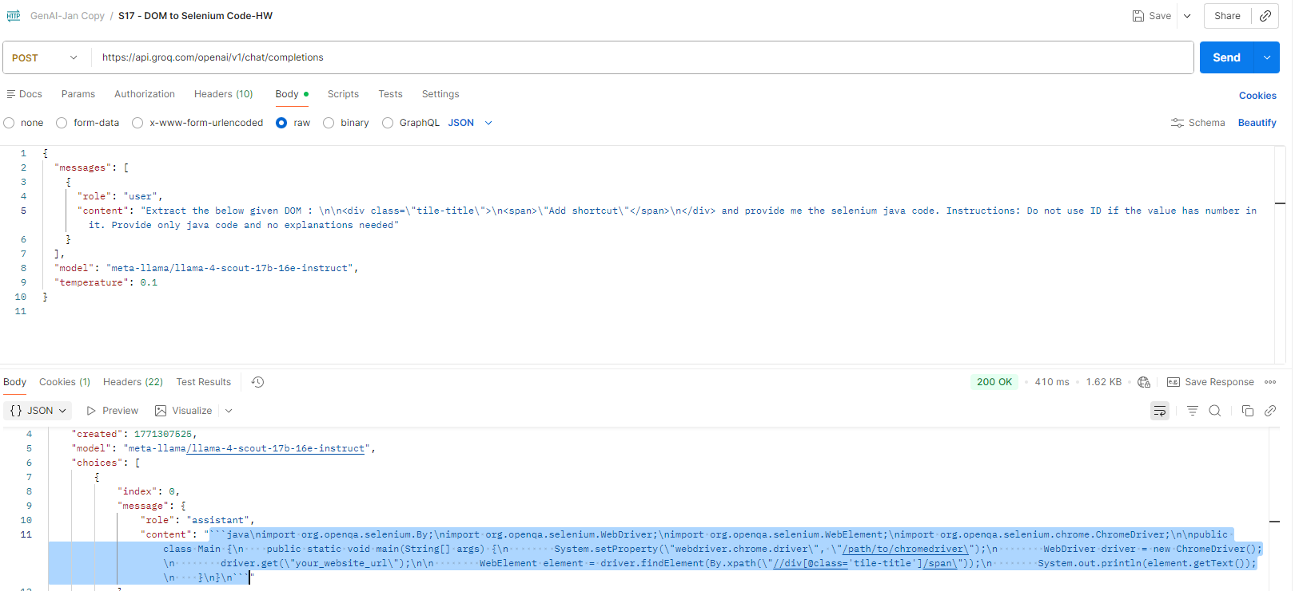

code:

 | import org.openqa.selenium.By;
 | import org.openqa.selenium.WebDriver;
 | import org.openqa.selenium.WebElement;
 | import org.openqa.selenium.chrome.ChromeDriver;

 | public class TileTitleTest {

 | private static final String DRIVER_PATH = "/path/to/chromedriver";
 | private static final String BASE_URL = "https://your_website_url";

 | public static void main(String[] args) {

 | // Set ChromeDriver path
 | System.setProperty("webdriver.chrome.driver", DRIVER_PATH);
 | WebDriver driver = new ChromeDriver();

 | try {
 | // Navigate to the application
 | driver.get(BASE_URL);
 | driver.manage().window().maximize();

 | // Locate the element
 | WebElement tileTitle = driver.findElement(
 | By.xpath("//div[@class='tile-title']/span")
 | );

 | // Print the text
 | System.out.println("Tile Title Text: " + tileTitle.getText());

 | } finally {
 | // Close the browser
 | driver.quit();
 | }
 | }
 | }

Web search
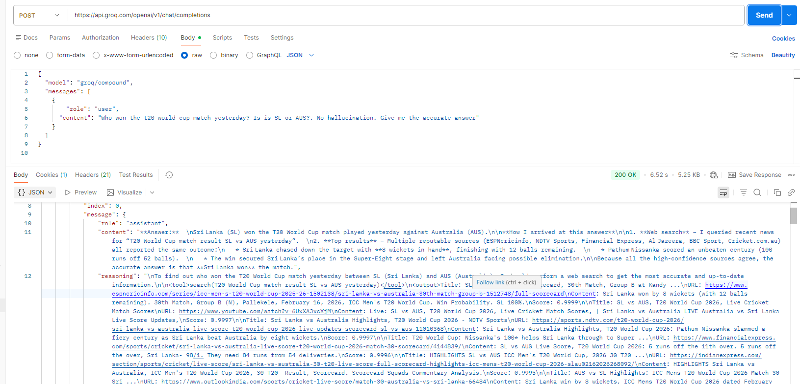
tried with compound model from groq. Getting the answer using tooling

